EXERCISE 07
EXERCISE 07

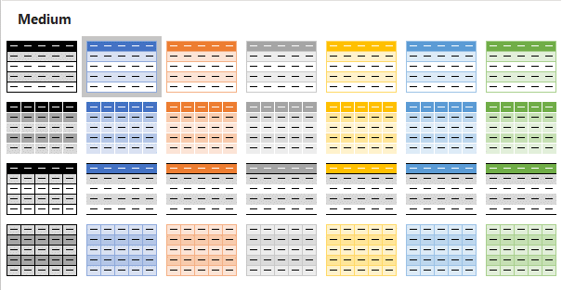
FORMAT AS A TABLE
1. Select the data on the worksheet 'Customer_Invoices'.
2. Format the data as a table (any table style).
3. Name the table, 'Invoices_2020'

SORTING DATA
1. Sort the 'Invoices_2020' table data by 'Month', 'Invoice Total' and 'Status'.
2. Use a Custom List for the 'Month' Order.
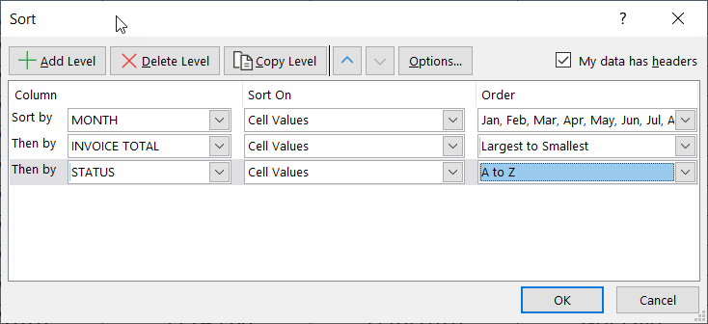

FILTERING DATA
1. Filter the data to show all invoices over '$3000.00' that have a status of 'Past Due'.
'.

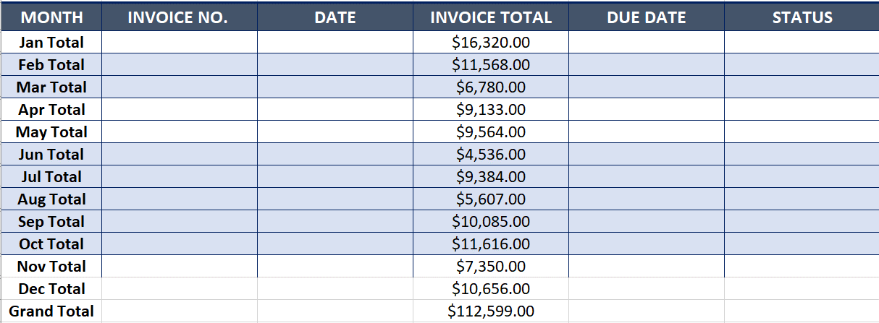
SUBTOTALS
1. Apply Subtotals to the data on the 'Customer_Invoices_Subtotal' worksheet.
2. At each change in 'Month', add the subtotal to the 'Invoice Total'.
3. Collapse up the subtotals to show only the totals for each month.

